Exercise
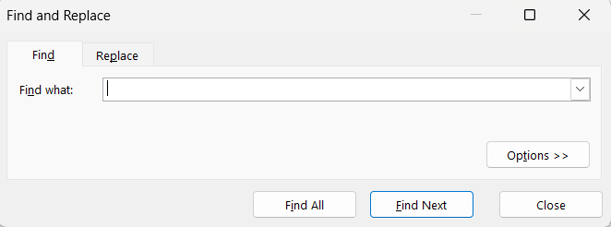

Here I have a list of 10 Random Names that I am going to be using for my text management exercise.
For this Text Management Exercise I will be using the find(Ctrl+F) and replace(Ctrl+H) to find the names that I want to find among the list of random names and replace the names with the ones that i want to replace with.
Two Columns from D to E have been merged across from row 3 to 13.
10 Random Names
Malakai Schroeder
Rishi Gibbs
Alastair Parsons
Harris Shaffer
Tomas Lowery
Gina Mclaughlin
Andrea Barton
Josephine Jensen
Oliwia Lester
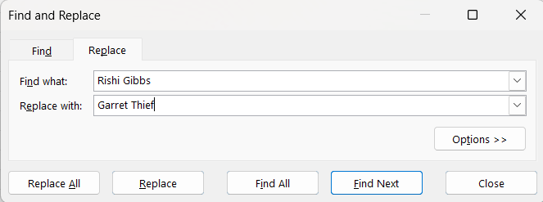
Elena Martin

 | 10 Random Names
 | Malakai Schroeder
 | Garret Thief
 | Alastair Parsons
 | Harris Shaffer
 | Tomas Lowery
 | Gina Mclaughlin
 | Andrea Barton
 | Josephine Jensen
 | Oliwia Lester
 | Elena Martin

